opening issues

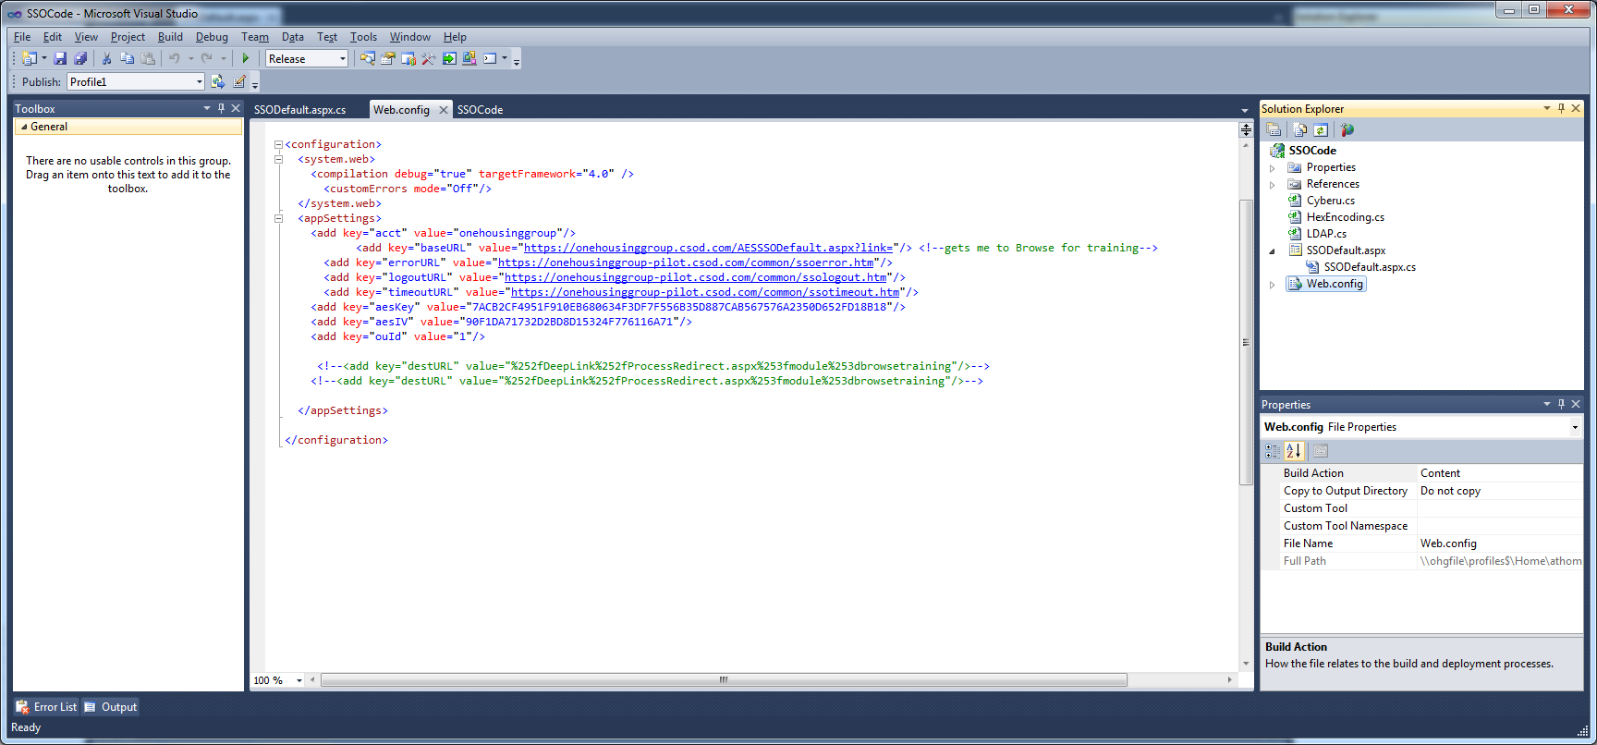
I did have this open as a website, however, when I was deploying it, there were many issues, most notably that the ddl did not seem current, although created on this day, modified 2012. So actually not the new one.

To get around this, I closed what I was working on.

Then opened like this:
1) nav to the solution file:
Note the original solution that i used in on OHGBSTAPP01
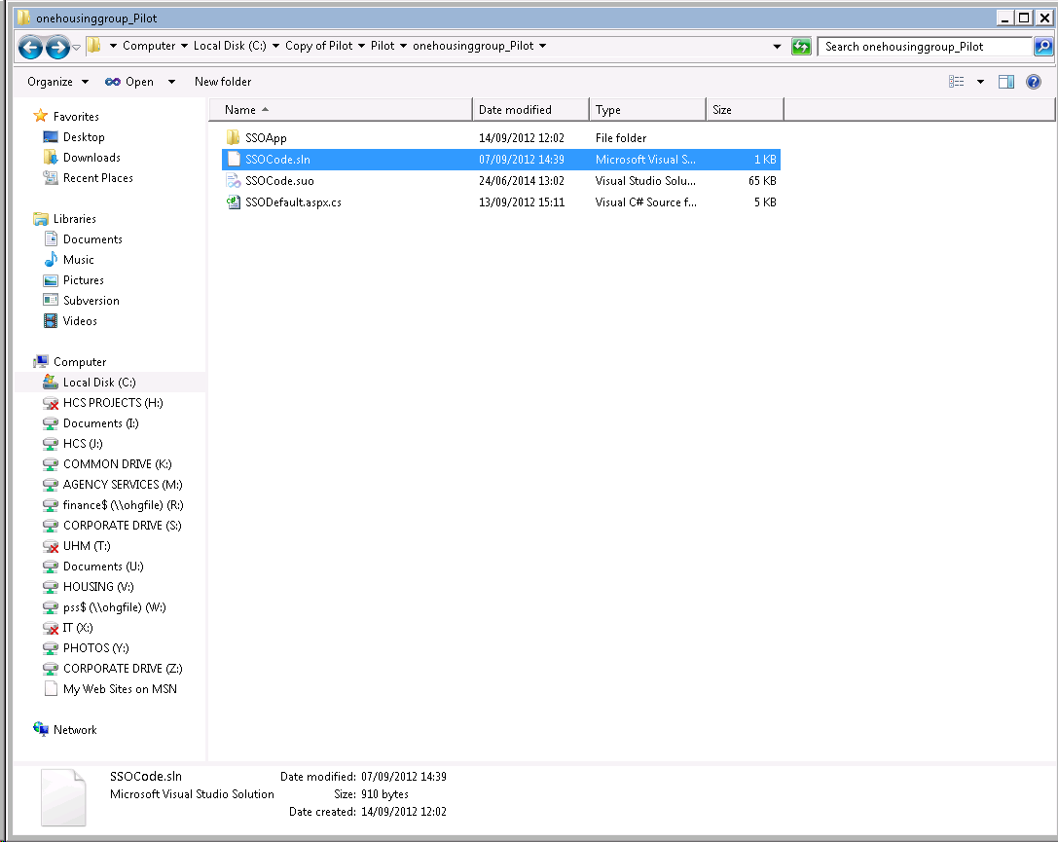

double click the sln

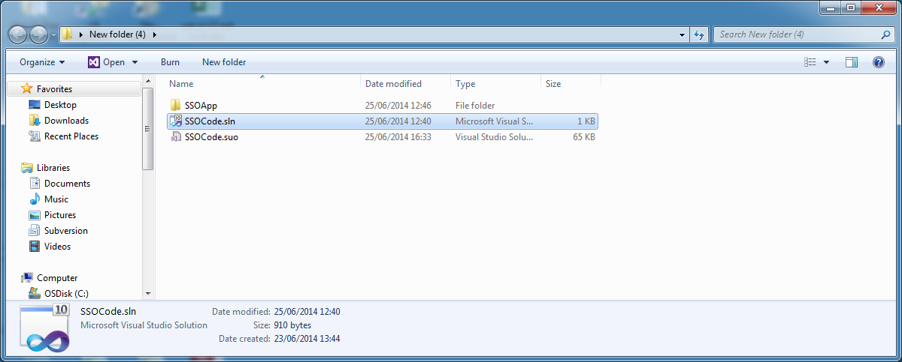

as per usual this did NOT look like the below, it



Normally I give up, but SS said, right click and …

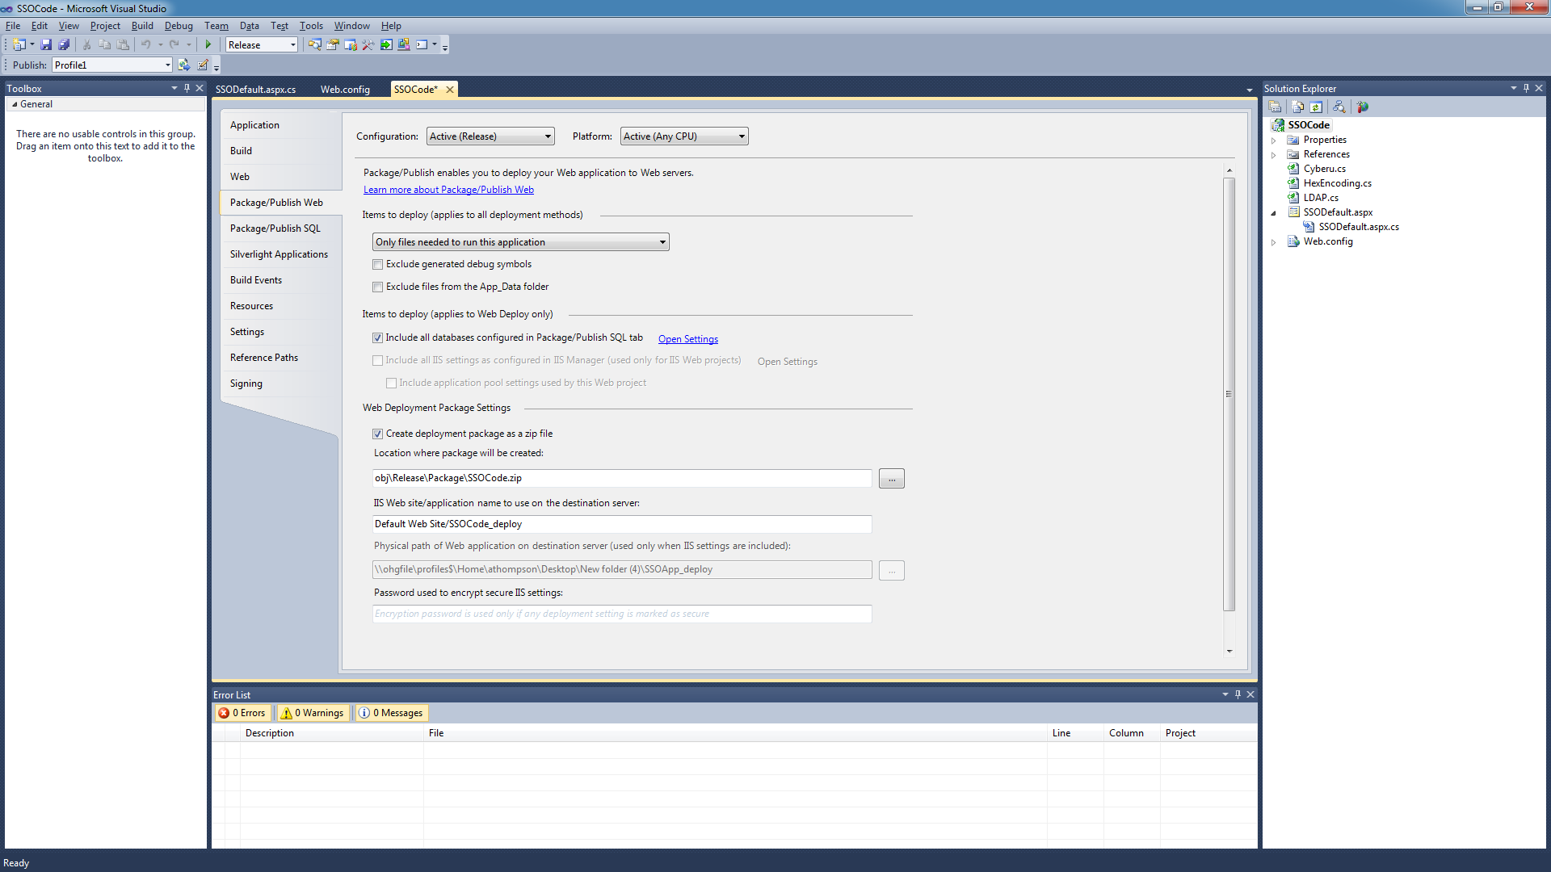

Then after this, when you run the SSODEfault, you get this:

and a few seconds later>>>>>

Release
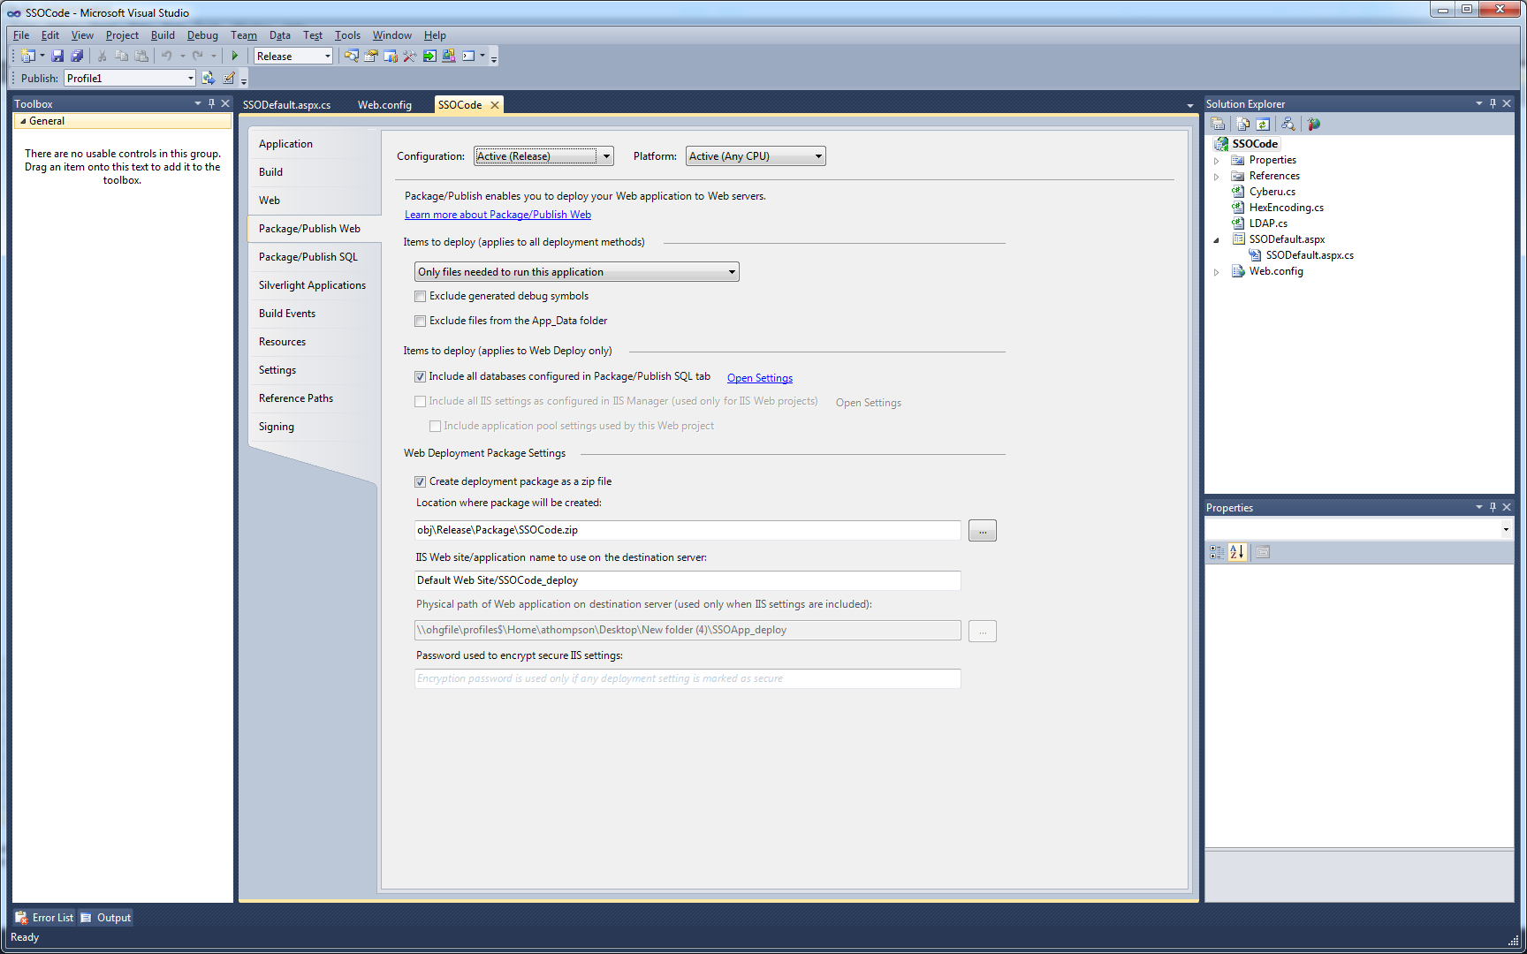

webconfig
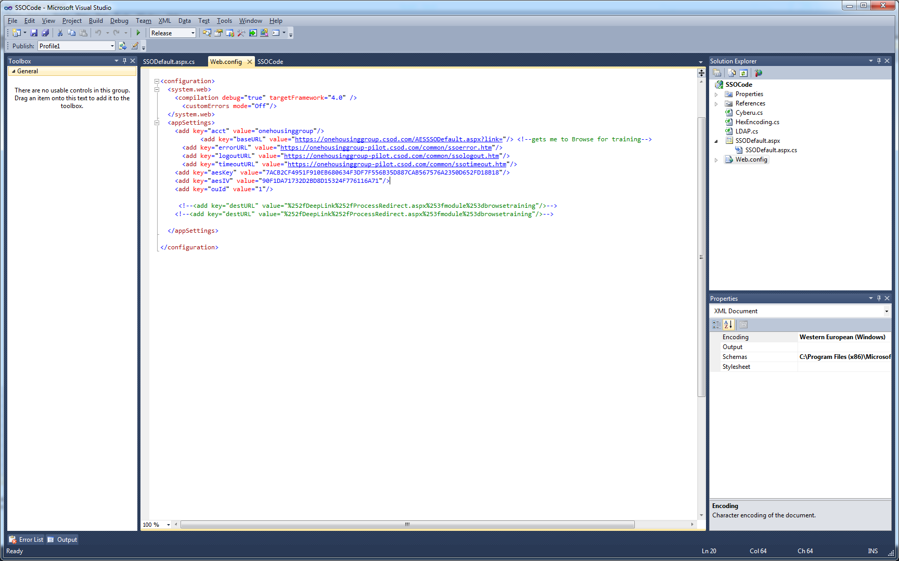

SSODefault.aspx.cs
